Rotary Index Table Ex1
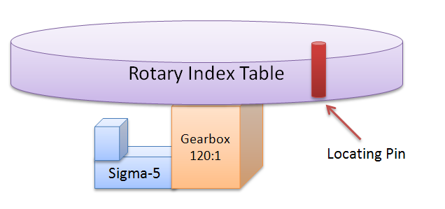
Rotary Load
 | In | Out
Gear Box | 120 | 1
n | 1
 | DriveN Pulley | DriveR Pulley
Pulley System #1 | 1 | 1
 | DriveN Pulley | DriveR Pulley
Pulley System #2 | 1 | 1
Resulting Ratio | 120 | 1
GCD | 1
Final Reduced Ratio | 120 | 1
 | Motor | Load
Decimal | 120.00
Resulting Pn205 | 119

*GCD - Greatest Common Denominator

Rotary Conveyor Ex2
Sigma-5
Gearbox
15:1
DriveR Pulley
Distance Between Index
DriveN Pulley
Rotary Load
 |  | Ref Units
Distance Between Index | 21 | Units
Number of Indexes | 1 | Indexes
DriveR Pulley Circumference | 15 | Units
 | In | Out
Gear Box | 15 | 1
n | 1
 | DriveN Pulley | DriveR Pulley
Pulley System #1 | 1.4 | 15
 | DriveN Pulley | DriveR Pulley
Pulley System #2 | 1 | 1
Final Reduced Ratio | 21 | 1
 | Motor | Load
Decimal | 21.00
Resulting Pn205 | 20

*GCD - Greatest Common Denominator

Rotary Complex Ratios Ex3
4
31
Tooth
Sigma-5
Gearbox318:57
DriveR Pulley
24 Tooth
Rotating Load
DriveN Pulley
DriveR Pulley
DriveN Pulley
22 Tooth
Pulley System #1
Pulley System #2
Rotary Load
 | In | Out
Gear Box | 318 | 57
n | 1
 | DriveN Pulley | DriveR Pulley
Pulley System #1 | 31 | 24
 | DriveN Pulley | DriveR Pulley
Pulley System #2 | 22 | 31
Resulting Ratio | 216876 | 42408
GCD | 372
Final Reduced Ratio | 583 | 114
 | Motor | Load
Decimal | 5.11
Resulting Pn205 | 582

*GCD - Greatest Common Denominator

